Sheet1
 |  | Document No. | Issue No. | Issue Date |  | Review and Replace Date |  | Authorised By
 |  | GFF358MC | 2 | 03.05.2022 |  | 11.11.2022
 |  | Document Title | TAKUL-BEEF LOADED POTATO WEDGES 400G
 |  | Shelf life updated (Chill and Frozen) |  |  | Page |  | 1 of 1 | Magda Shah
Document amendments reason for change |  |  |  |  | Previous Issue Date |  | 03.05.2022 | Uncontrolled copy unless signed original

CBLWC-R4TTA | Takul |  | BEEF LOADED POTATO WEDGES 400G | CHILLED
STEP 1 |  |  |  |  | STEP 2
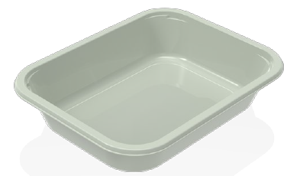 |  |  |  |  | 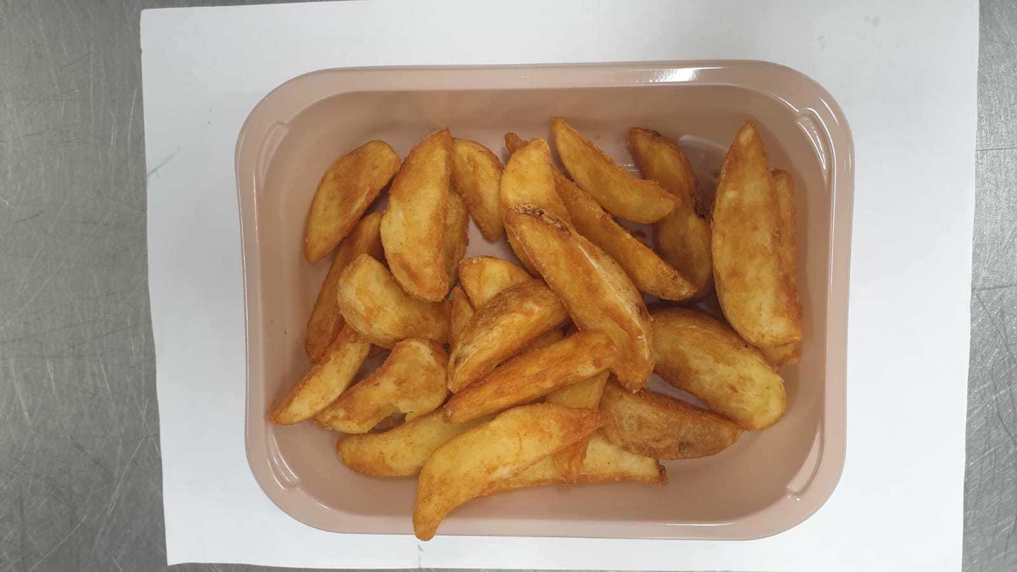

Tray: EVOLVE CPET 2200-1D (PKRHP001-09) |  |  |  |  | Fried Potato Wedges (GFF396R) : 200g
Film: K-Peel 75G + AF 25 250mm (PKKMP001-01)
STEP 3 |  |  |  |  | STEP 4
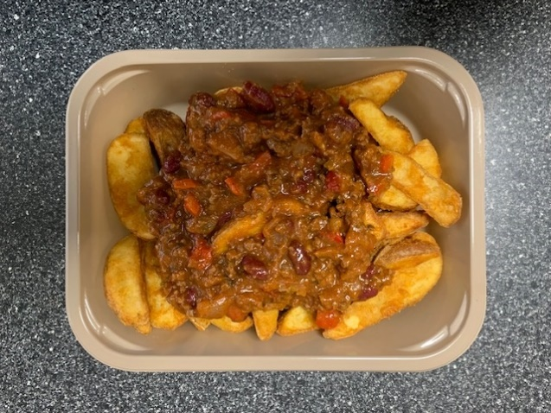 |  |  |  |  | 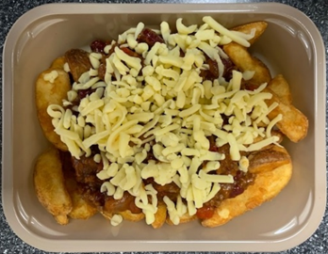

Chilli Con Carne (GFF419R) 150g |  |  |  |  | Cheddar Cheese Mature Grated (RMHAB001-24) 50g |  |  |  | 400g

ALLERGY ALERT: Barley, Wheat, Milk

